Woolworths NZ Requirements
KEY
Y: NPC/Trading Partner Mandatory
N: Not Required
R: Required if applicable to the product
 |  |  |  | WWNZ Required Field | Packaging Hierarchy |  |  | Brief Notes | Business Rules
 |  NPC Attribute Name | NPC Field Name | Field Format |  | Base unit or Each | Inner Pack | 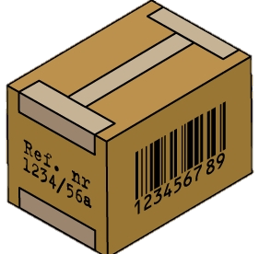 Case Unit | NOTES - please be aware that each attribute is more fully explained in the National Product Catalogue Online Data Dictionary: https://www.gs1au.org/services/data-and-content/national-product-catalogue/npc-data-dictionary
Header | tradeItem -> gtin | GTIN | Number (14 Digits) | Y | 09414289938316 | 09414289938322 | 19414289938369
 | informationProviderOfTradeItem -> gln | GLN of Information Provider | Number (13 Digits) | Y | Your GLN | Your GLN | Your GLN | Your GLN is your catalogue number
 | targetMarketCountryCode | Target Market Country Code | Number (3 Digits) | Y | 554 | 554 | 554 | Must be 554 if supplying NZ market
 | Article Type | Article Type | Fixed Value | Y | Base Item | Packaging Item | Packaging Item
Product I.D Classification | additionalTradeItemIdentificationTypeCode -> value | Additional Trade Item Identification Value | Characters & Numbers (80 Max) | Y | A12345 | A12345 | A12345 | SKU or part number | 6
 | additionalTradeItemIdentificationTypeCode | Additional Trade Item Identification Type | Fixed Value | Y | SUPPLIER_ASSIGNED | SUPPLIER_ASSIGNED | SUPPLIER_ASSIGNED
 | tradeItemUnitDescriptorCode | Trade Item Unit Descriptor Code | Fixed Value | Y | BASE_UNIT_OR_EACH | PACK_OR_INNER_PACK | CASE
 | brandName | Brand Name | Characters & Numbers (70 Max) | Y | COOL KIWIS | COOL KIWIS | COOL KIWIS | See business rule | 1
 | subBrand | Sub-Brand | Characters & Numbers (70 Max) | R | CHILL | CHILL | CHILL | As above | 1
 | functionalName | Functional Name | Characters & Numbers (35 Max) | Y | MILK | MILK | MILK | As above | 1
 | variantDescription | Variant Description | Characters & Numbers (35 Max) | R | STRAWBERRY | STRAWBERRY | STRAWBERRY | As above | 1
 | tradeItemDescription | Trade Item Description | Characters & Numbers (178 Max) | Y | COOL KIWIS CHILL MILK STRAWBERRY 500ML | COOL KIWIS CHILL MILK STRAWBERRY 500ML X 4 | COOL KIWIS CHILL MILK STRAWBERRY 500ML X 4 X 6
 | descriptionShort | Short Description | Characters & Numbers (35 Max) | Y | CHL MILK STB 500ML | CHL MILK STB 500MLX4 | CHL MILK STB 500X4X6
 | placeOfProductActivity -> countryOfOrigin | Country of Origin | Number (3 Digits) | Y | 554 | 554 | 554 | See Cookbook "Code List" document | 2
 | CountryOfOriginStatement | Country of Origin Statement | Characters & Numbers (255 Max) | R |  |  |  | Only required for products relabelled instore | 3
 | gpcCategoryCode | Classification Category Code [GPC code] | Number (10 Digits) | Y | 1000026 | 1000026 | 1000026 | This value can be obtained via http://gpcbrowser.gs1.org It's an 8-digit "Global Product Classification" code.
 | tradeItemGroupIdentificationCodeReference | Trade Item Group ID | Characters & Numbers (20 Max) | Y | SM34 | SM34 | SM34 | Base these on your existing product groupings
 | tradeItemGroupIdentificationCodeReference -> codeDescription | Trade Item Group Description | Characters & Numbers (35 Max) | Y | MILKFLAV | MILKFLAV | MILKFLAV | Base these on your existing product groupings
 | referencedTradeItemTypeCode -> gtin | Referenced Trade Item GTIN | Number (14 Digits) | R
 | referencedTradeItemTypeCode | Referenced Trade Item Type Code | Fixed Value | R
Product Characteristics | minimumTradeItemLifespanFromTimeOfArrival | Minimum Trade Item Lifespan from Time of Arrival | Number (4 Digits) | R | 120 | 120 | 120 | In days
 | minimumTradeItemLifespanFromTimeOfProduction | Minimum Trade Item Lifespan from Time of Production | Number (4 Digits) | R | 180 | 180 | 180 | In days
 | isTradeItemABaseUnit | Is Trade Item the Lowest Level of the Hierarchy? | true/false | Y | true | false | false
 | isTradeItemAConsumerUnit | Is Trade Item a Consumer Unit? | true/false | Y | true | false | false
 | isTradeItemADespatchUnit | Is Trade Item a Despatch Unit? | true/false | Y | false | false | true
 | isTradeItemAnInvoiceUnit | Is Trade Item an Invoice Unit? | true/false | Y | false | false | true
 | isTradeItemAnOrderableUnit | Is Trade Item an Orderable Unit? | true/false | Y | false | false | true | WOW/PEL pricing must be loaded against orderable unit
 | isTradeItemAVariableUnit | Is Trade Item a Variable Unit? | true/false | Y | false | false | false |  | 4
 | isNonSoldTradeItemReturnable | Is Non-Sold Trade Item Returnable? | true/false | R |  |  |  | WOW/PEL have stated that no value is required here unless it is a "Y"
 | height | Product Height | Number with Decimal(15.3Max) | Y | 160 | 165 | 340
 | height -> measurementUnitCode | Product Height UOM | Fixed Value | Y | MMT | MMT | MMT | Millimetre only
 | width | Product Width | Number with Decimal(15.3Max) | Y | 80 | 165 | 490
 | width -> measurementUnitCode | Product Width UOM | Fixed Value | Y | MMT | MMT | MMT | Millimetre only
 | depth | Product Depth | Number with Decimal(15.3Max) | Y | 50 | 110 | 115
 | depth -> measurementUnitCode | Product Depth UOM | Fixed Value | Y | MMT | MMT | MMT | Millimetre only
 | netWeight | Product Net Weight | Number with Decimal(15.3Max) | R | 0.5 | 2 | 12
 | netWeight -> measurementUnitCode | Product Net Weight UOM | Fixed Value | R | KGM | KGM | KGM
 | grossWeight | Product Gross Weight | Number with Decimal(15.3Max) | Y | 0.6 | 2.6 | 15.8
 | grossWeight -> measurementUnitCode | Product Gross Weight UOM | Fixed Value | Y | KGM | KGM | KGM
 | netContent | Net Content | Numbers | Y | 500 |  |  | Mandatory for all items marked as Consumer Units. | 1
 | netContent -> measurementUnitCode | Net Content UOM | Fixed Value | Y | MLT |  |  | Mandatory for all items marked as Consumer Units | 1
 | sellingUnitOfMeasure | Selling Unit of Measure | Fixed Value | Y | EA |  |  | Mandatory on 'Consumer Unit' only
 | GeneticallyModifiedDeclarationCode | Genetically Modified Declaration Code | Fixed Value | R |  |  |  | Required if 'true' only
 | growingMethodCode | Trade Item Growing Method Code | Code List | R
Tax | dutyFeeTaxRate | Duty Fee Tax Rate | Number with Decimal(3.2Max) | Y | 15 | 15 | 15
 | dutyFeeTaxTypeCode | Duty Fee Tax Type Code | Fixed Value | Y | GST | GST | GST
 | dutyFeeTaxTypeCode | Duty Fee Tax Type Description | Fixed Value | Y | Goods and Services Tax | Goods and Services Tax | Goods and Services Tax
 | dutyFeeTaxAgencyCode | Duty Fee Tax Agency Code | Fixed Value | Y | IRD | IRD | IRD
Dates | communityVisibilityDateTime | Community Visibility Date | Date (CCYY-MM-DD) | R | 2016-10-07 00:00 | 2016-10-07 00:00 | 2016-10-07 00:00 | Date for which product will be available for viewing in National Product Catalogue Publisher registry
 | publicationDateTime | Publication Date | Date (CCYY-MM-DD) | Y | 2016-08-07 00:00 | 2016-08-07 00:00 | 2016-08-07 00:00 | Once National Product Catalogue Publisher Live, publication should be well before start availability date
 | effectiveDateTime | Effective | Date (CCYY-MM-DD) | Y | 2016-10-07 00:00 | 2016-10-07 00:00 | 2016-10-07 00:00
 | startAvailabilityDateTime | Start Availability | Date (CCYY-MM-DD-HH.MM.SS) | Y | 2016-10-07 00:00 | 2016-10-07 00:00 | 2016-10-07 00:00
 | endAvailabilityDateTime | End Availability Date Time | Date (CCYY-MM-DD-HH.MM.SS) | R
 | firstOrderDateTime | First Order Date / Time | Date (CCYY-MM-DD) | R | 2016-10-07 00:00 | 2016-10-07 00:00 | 2016-10-07 00:00 | Unless different, default to first availability date
 | seasonName | Season Name | Characters & Numbers (70 Max) | R |  |  |  | Required only when product is seasonal
 | seasonalAvailabilityStartDateTime | Seasonal Availability Start Date Time | Date (CCYY-MM-DD) | R
 | seasonalAvailabilityEndDateTime | Seasonal Availability End Date Time | Date (CCYY-MM-DD) | R
Base/Config | gTINOfBaseUnit | GTIN of Base Unit | Number (14 Digits) | R |  | 9414289938316 | 9414289938316 | This is the GTIN of the Base Unit in the packaging hierarchy
 | numberOfBaseUnits | Number of Base Units | Number (6Max) | R |  | 5 | 20 | Number of Base Units at this level of the pacakging hierarchy
 | quantityOfCompleteLayersContainedInATradeItem | Number of Layers of Product within the Trade Item | Number (6 Digits) | R |  | 1
 | unitsInWidthOfLayer | Units in width of layer (Trade Item) | Number (6 Digits) | R |  | 1 |  | Conditionally required if the item attribute ‘Has Display Ready Packaging’ is populated.
 | unitsInDepthOfLayer | Units in Depth of Layer (Trade Item) | Number (6 Digits) | R |  | 4 |  | Conditionally required if the item attribute ‘Has Display Ready Packaging’ is populated.
Packaging | isPackagingMarkedReturnable | Is Product Packaging Marked as Returnable | true/false | Y | false | false | false
 | packagingTypeCode | Packaging Type Code | Fixed Value | R | BX | SW | CT | See Cookbook Codelist document
 | packagingMaterialTypeCode | Packaging Material Type Code | Fixed Value | R | PAPER_PAPERBOARD | PLASTIC_OTHER | CORRUGATED_BOARD_SINGLE_WALL | If your product is packed this must be provided
 | packagingMaterialCompositionQuantity | Packaging Material Compostion Quantity | Number with Decimal(15.3Max) | R | 0.1 | 0.2 | 0.2 | If your product is packed this must be provided
 | packagingMaterialCompositionQuantity -> measurementUnitCode | Packaging Material Compostion Quantity UOM | Fixed Value | R | KGM | KGM | KGM | If your product is packed this must be provided
 | packagingFunctionCode | Packaging Function Code | Characters & Numbers (150 Max) | R |  |  |  | TAMPER_EVIDENT is the only option - leave blank if not applicable.
 | tradeItemDateOnPackagingTypeCode | Trade Item Date On Packaging: Type Code | Fixed Value | R | BEST_BEFORE_DATE | BEST_BEFORE_DATE | BEST_BEFORE_DATE | Mandatory if 'Opened Trade Item Lifespan' is populated
 | hasDisplayReadyPackaging | Has Display Ready Packaging? | Fixed Value | R |  | TRUE |  | See business rule - valid values are TRUE or FALSE | 7
 | isPriceOnPack | Is Price On Pack | Fixed Value | R |  |  |  |  | 9
 | securityTagTypeCode | Security Tag Type Code | Fixed Value | R |  |  |  |  | 8
 | securityTagLocationCode | Security Tag Location Code | Fixed Value | R
Logistics & Pallet | quantityOfTradeItemsPerPalletLayer | Number of Trade Items Contained per Pallet Layer | Number (6 Digits) | Y |  |  | 15 | All pallet information should be provided against the CASE unit
 | quantityOfLayersPerPallet | Quantity of Layers per Pallet | Number (6 Digits) | Y |  |  | 2
 | quantityOfTradeItemsPerPallet | Quantity of Trade Items per Pallet | Number (6 Digits) | Y |  |  | 30
 | baseUnitsPerPallet | Base Units per Pallet | Number (6 Digits) | Y |  |  | 120
 | palletHeight | Pallet Height / mm | Number (15 Max) | Y |  |  | 980
 | palletWidth | Pallet Width (mm) | Number (15 Max) | Y |  |  | 1000
 | palletDepth | Pallet Depth (mm) | Number (15 Max) | Y |  |  | 1200
 | palletVolume | Pallet Volume (m3) | Number (15 Max) | Y |  |  | 1.29
 | palletNetWeight | Pallet Net Weight / kg | Number (15 Max) | Y |  |  | 243
 | palletGrossWeight | Pallet Gross Weight / kg | Number (15 Max) | Y |  |  | 273
 | temperatureQualifierCode | Temperature Qualifier Code | Fixed Value | R | STORAGE_HANDLING | STORAGE_HANDLING | STORAGE_HANDLING
 | minimumTemperature | Minimum Temperature | Number (15 Max) | R | 2 | 2 | 2 |  | 12
 | temperatureMeasurementUnitCode | Minimum Temperature UOM | Fixed Value | R | CEL | CEL | CEL
 | maximumTemperature | Maximum Temperature | Number (15 Max) | R | 4 | 4 | 4 |  | 12
 | temperatureMeasurementUnitCode | Maximum Temperature UOM | Fixed Value | R | CEL | CEL | CEL
 | handlingInstructionsCodeReference | Handling Instructions Code Reference (Ethylene Code/Odour Code) | Fixed Value | R | ETH_N / ODO_N | ETH_N / ODO_N | ETH_N / ODO_N | See business rule | 13
Marketing & Warranty | tradeItemMarketingMessage | Trade Item Marketing Message | Characters (1000 Max) | Y
 | priceComparisonContentTypeCode | Price Comparison Content Type | Fixed Value | R |  |  |  | Use code READY_TO_EAT
 | priceComparisonMeasurement | Price Comparison Measurement | Fixed Value | R |  |  |  |  | 10
 | priceComparisonMeasurement -> measurementUnitCode | Price Comparison Measurement UOM | Fixed Value | R |  |  |  |  | 11
Additional Product Details | consumerUsageInstructions | Consumer Usage Instructions | Characters & Numbers (1000 Max) | R | only required products relabelled instore |  |  | This field is conditionally mandatory when any attributes are used in the Food and Beverage extension.
 | consumerStorageInstructions | Consumer Storage Instructions | Characters & Numbers (1000 Max) | R | only required products relabelled instore |  |  | This field is conditionally mandatory when any attributes are used in the Food and Beverage extension.
 | sizeCodeListCode -> value | Size Code Value | Characters & Numbers (20 Max) | R |  |  |  | Used for clothing general merchandise articles only.
 | descriptiveSize | Descriptive Size |  | R |  |  |  | Used for clothing general merchandise articles only.
 | sizeCodeListCode | Size Code List Code | Characters & Numbers (35 Max) | R |  |  |  | Used for clothing general merchandise articles only.
 | colourCode -> value | Colour Code Value | Characters & Numbers (20 Max) | R |  |  |  | Used for clothing general merchandise articles only.
 | colourDescription | Colour Description | Characters & Numbers (70 Max) | R |  |  |  | Used for clothing general merchandise articles only.
 | colourCode -> colourCodeListCode | Colour Code List Code | Characters & Numbers (3Max) | R |  |  |  | Used for clothing general merchandise articles only.
 | importClassificationValue | Import Classification Value | Characters & Numbers (70 Max) | R |  |  |  | Conditionally mandatory on Import Classification Type
 | importClassificationTypeCode | Import Classification Type | Characters & Numbers (70 Max) | R |  |  |  | Conditionally mandatory on Import Classification Value
Trade Partner Contact | tradeItemContactInformation -> gln | Contact GLN | Number (13 Digits) | R | Your GLN |  |  | See business rule for applicability | 12a
 | additionalPartyIdentificationTypeCode -> value | Additional Contact Identification | Characters & Numbers (70 Max) | R | 12345678 |  |  | See business rule for applicability | 12a
 | additionalPartyIdentificationTypeCode | Additional Contact Identification Type | codelist | R | BUYER_ASSIGNED_IDENTIFIER_FOR_A_PARTY |  |  | See business rule for applicability | 12a
 | contactTypeCode | Contact Type Code | codelist | R | CUSTOMER_SUPPORT |  |  | See business rule for applicability | 12a
 | communicationChannelCode | Communication Channel Code | codelist | R | EMAIL |  |  | See business rule for applicability | 12a
 | communicationValue | Communication Value | Characters & Numbers (70 Max) | R | supplier_email@supplier.co.nz |  |  | See business rule for applicability | 12a
Dangerous Goods | isTradeItemADangerousGood | Is Trade Item A Dangerous Good? | true/false | R | true | true | true | "true" if Product is Dangerous or Hazardous, otherwise "false" and balance of hazardous information is not required
 | isTradeItemAHazardousGood | Is Trade Item A Hazardous Good? | true/false | R | true | true | true | "true" if Product is Dangerous or Hazardous, otherwise "false" and balance of hazardous information is not required
 | flashPointTemperature | Flash Point Temperature | Numbers (15 Max) | R | 50 | 50 | 50
 | temperatureMeasurementUnitCode | Flash Point Temperature UOM | Code List | R | CEL | CEL | CEL
 | classOfDangerousGoods | Class of Dangerous Goods | Characters & Numbers | R | 2.1 | 2.1 | 2.1 | This data can be found on the Material Safety Data Sheet [MSDS] From 1-9 [Decimals can be also used if applicable for more accuracy] | Dangerous Goods Link
 | classOfDangerousGoodsSubsidiaryCode | Class of Dangerous Goods Subsidiary Code | Characters & Numbers | R | 5.1 | 5.1 | 5.1 | This data can be found on the Material Safety Data Sheet [MSDS] From 1-9 [NOTE is a Drop-down selection in NPC GUI] | Dangerous Goods Link
 | HSNOClassification | HSNO Classification | Characters & Numbers | R | 8.1A | 8.1A | 8.1A | This data can be found on the Material Safety Data Sheet [MSDS] These are "Repeatable Fields" start with lowest number to highest in each repeatable field as applicable from the MSDS | Dangerous Goods Link
 | HSNOClassification | HSNO Classification | Characters & Numbers | R | 2.1.2A | 2.1.2A | 2.1.2A | This data can be found on the Material Safety Data Sheet [MSDS] These are "Repeatable Fields" start with lowest number to highest in each repeatable field as applicable from the MSDS | Dangerous Goods Link
 | flashPointType | Flash Point Type | Code List | R | DEG | DEG | DEG | DEG, DNB, NA [3 options, Max 3 characters]
 | HazardousDangerousPackagingType | Hazardous / Dangerous Packaging Type | Code List | R | BTL | BTL | BTL
 | hazardousDangerousUnitVolume | Hazardous / Dangerous Unit Volume | Number (6) | R | 500 | 2500 | 10000
 | hazardousDangerousUnitVolume -> attributeCode (UoM) + codeListNameCode = MEASUREMENT_CODE | Hazardous / Dangerous Unit Volume UOM | Code List | R | MLT | MLT | MLT
 | sdsIssueDate | SDS Issue Date | Date | R | 2020-01-01 | 2020-01-01 | 2020-01-01
 | dangerousGoodsHazardousCode | Dangerous Goods Hazardous Code | Characters & Numbers (10Max) | R | 1XE | 1XE | 1XE
 | dangerousGoodsPackingGroup | Dangerous Goods Packaging Group | Characters & Numbers (3Max) | R | III | III | III | This data can be found on the Material Safety Data Sheet [MSDS] "I" for Greatest Danger "II" for Medium Danger "III" for Least Danger
 | unitedNationsDangerousGoodsNumber | UN Dangerous Goods Number | Number (4 Digits) | N | 1170 | 1170 | 1170 | This data can be found on the Material Safety Data Sheet [MSDS] From the UN Classification System | UN Number Search
Food, Bev & Tobacco | healthStarRatingValue | Health Star Rating Value | Decimal | R | 4.5
 | healthStarRatingDisplayed | Does product label have a Health Star Rating? | string | C | Yes |  |  | Conditionally required with Health Star Rating Value
 | productionVariantEffectiveDateTime | Production Variant Effective Date | CCYY-MM-DD | R | only required products relabelled instore |  |  | Must not be <null> if other Food, Beverage and Tobacco attributes are populated
 | ingredientStatement | Ingredient Statement |  | R | only required products relabelled instore |  |  | Only required products relabelled instore | 15
 | openedTradeItemLifespan | Opened Trade Item Lifespan (Days) | Characters & Numbers (5000 Max) | R | only required products relabelled instore |  |  | This field is conditionally mandatory when any attributes are used in the Food and Beverage extension
Nutritional | numberOfServingsPerPackage | Number of Servings Per Package | Number (9 Digits) | R | only required products relabelled instore |  |  | Conditionally required with Serving Size & Nutrient Type Code
 | preparationStateCode | Preparation State Code | codelist | R | only required products relabelled instore |  |  | Only required products relabelled instore
 | nutrientTypeCode | Nutrient Type Code (UN INFOOD Code) | codelist | R | only required products relabelled instore |  |  | Only required products relabelled instore
 | measurementPrecisionCode | Measurement Precision | codelist | R | only required products relabelled instore |  |  | Only required products relabelled instore
 | quantityContained | Quantity Contained | Number (15 Digits) | R | only required products relabelled instore |  |  | Quantity Contained in 100g of the trade item, or, Quantity Contained in 100ml of the trade item
 | quantityContained -> measurementUnitCode | Quantity Contained UOM | codelist | R | only required products relabelled instore |  |  | Only required products relabelled instore
 | servingSize | Serving Size | Number (15Max) | R | only required products relabelled instore |  |  | Only required products relabelled instore
 | servingSize -> measurementUnitCode | Serving Size UOM | codelist | R | only required products relabelled instore |  |  | Only required products relabelled instore
 | nutritionalClaim | Nutritional Claim code | Characters & Numbers (1000Max) | R | only required products relabelled instore |  |  | Only required products relabelled instore
 | nutritionalClaimTypeCode | Nutritional Claim Type Code | codelist | R | only required products relabelled instore
 | nutritionalClaimNutrientElementCode | Nutritional Claim Nutrient Element Code | codelist | R | only required products relabelled instore
Allergen | allergenSpecificationAgency | Allergen Specification Agency | Characters & Numbers (70Max) | R | only required products relabelled instore |  |  | Required to be FSANZ
 | allergenSpecificationName | Allergen Specification Name | Characters & Numbers (70Max) | R | only required products relabelled instore |  |  | Required to be Australia New Zealand Food Standards Code
 | allergenTypeCode | Allergen Type Code | codelist | R | only required products relabelled instore |  |  | See business rule | 14
 | levelOfContainmentCode | Level of Containment | codelist | R | only required products relabelled instore |  |  | CONTAINS or MAY_CONTAIN
Child | childTradeItem -> gtin | (provided by Linking Hierarchies) | Number (14 Digits) | R |  | 09421000001438 (GTIN of Base Unit) | 09421000001445 (GTIN of Inner pack) | Conditionally mandatory for all GTINs not marked as Base Units
 | quantityOfNextLowerLevelTradeItem | (provided by Linking Hierarchies) | Number (6 Digits) | R |  | 4 | 6 | Conditionally mandatory for all GTINs not marked as Base Units
Pricing Data | partyReceivingPrivateData -> gln | Recipient GLN | Number (13 Digits) | Y |  |  | 9429000057523 | Woolworths NZ 's GLN
 | priceTypeCode | Price Type | Fixed Value | Y |  |  | LIST_PRICE | See business rule for additional requirements | 16
 | priceTypeDescription | Price Type Description | codelist | R |  |  |  | See business rule | 17
 | priceActionReasonCode | Price Reason (Reason for Price Action) | Fixed Value | Y |  |  | NI | See codelist document for options
 | priceValue | Price Value | Number (20.4 Digits) | Y |  |  | 50.00 |  | 18
 | priceValueType | Price Value Type | Fixed Value | Y |  |  | VALUE
 | priceBasisQuantity | Price Basis Quantity | Number (15 Digits) | Y |  |  | 24 | Important you read the Business Rule ------> | 23
 | priceBasisQuantity -> measurementUnitCode | Price Basis Quantity / UOM | Characters & Numbers (3Max) | Y |  |  | EA | Important you read the Business Rule ------> | 23
 | alternateLocationGrouping | Alternate Location (Grouping) | Characters & Numbers (35Max) | R |  |  |  | See Business Rule | 20
 | distributionMethodCode | Distribution Method | Fixed Value | Y |  |  | DC | Valid entries are DC and DSD only
 | effectiveStartDateTime | (Effective) Start Date/Time | CCYY-MM-DD | Y |  |  | 200912240000 | Structured yyyymmddhhmm | 19
 | effectiveStartDateContextCode | Effective Start Date Context | Fixed Value | Y |  |  | FIRST_ORDER_DATE | Hidden /Auto Populated in Publisher
 | effectiveEndDateTime | (Effective) End Date/Time | CCYY-MM-DD | R
 | effectiveEndDateContextCode | Effective End Date Context | Fixed Value | R |  |  |  | Hidden /Auto Populated in Publisher
 | referenceDocumentIdentifier | Reference Document ID | Characters & Numbers (150Max) | R |  |  |  |  | 22
 | referenceDocumentDescription | Reference Document Description | Characters & Numbers (70Max) | R |  |  |  | See Business Rule | 21
 | targetPriceType |  |  | R |  |  |  | Hidden /Auto Populated in NPC P
 | priceTargetMarketSubdivision | Target Market Subdivision |  | N |  |  |  | Not to be used for the NZ Target Market. Hidden /Auto Populated in NPC P
 | shipTo | Price Location-to (GLN) | Number (13 Digits) | N |  |  |  | Must not be used for PEL (Used for delivery location based pricing. See business rule for 'regional pricing' notes)
 | priceTypeApplicationSequence | Price App Seq | Number (3 Digits) | Y |  |  | 1 | Hidden /Auto Populated in NPC P
 | itemPriceTypeSegmentation -> entityIdentification | Price Type ID | Characters & Numbers (16Max) | Y |  |  | 2008606170900 | Must be any unique ID, e.g. a timestamp. Hidden /Auto Populated in NPC P
 | uniqueCreatorIdentification |  |  | Y |  |  | 00012345-0000 | Must be format n8-n4 for Data Recipients WOW or PEL (e.g. 00012345-0000, 12345678-0001, 123456780002 etc).Hidden /Auto Populated in NPC P
 | priceTypeLastChangedDateTime |  | Timestamp | Y |  |  |  | System Generated.Hidden /Auto Populated in Publisher

Business Rules
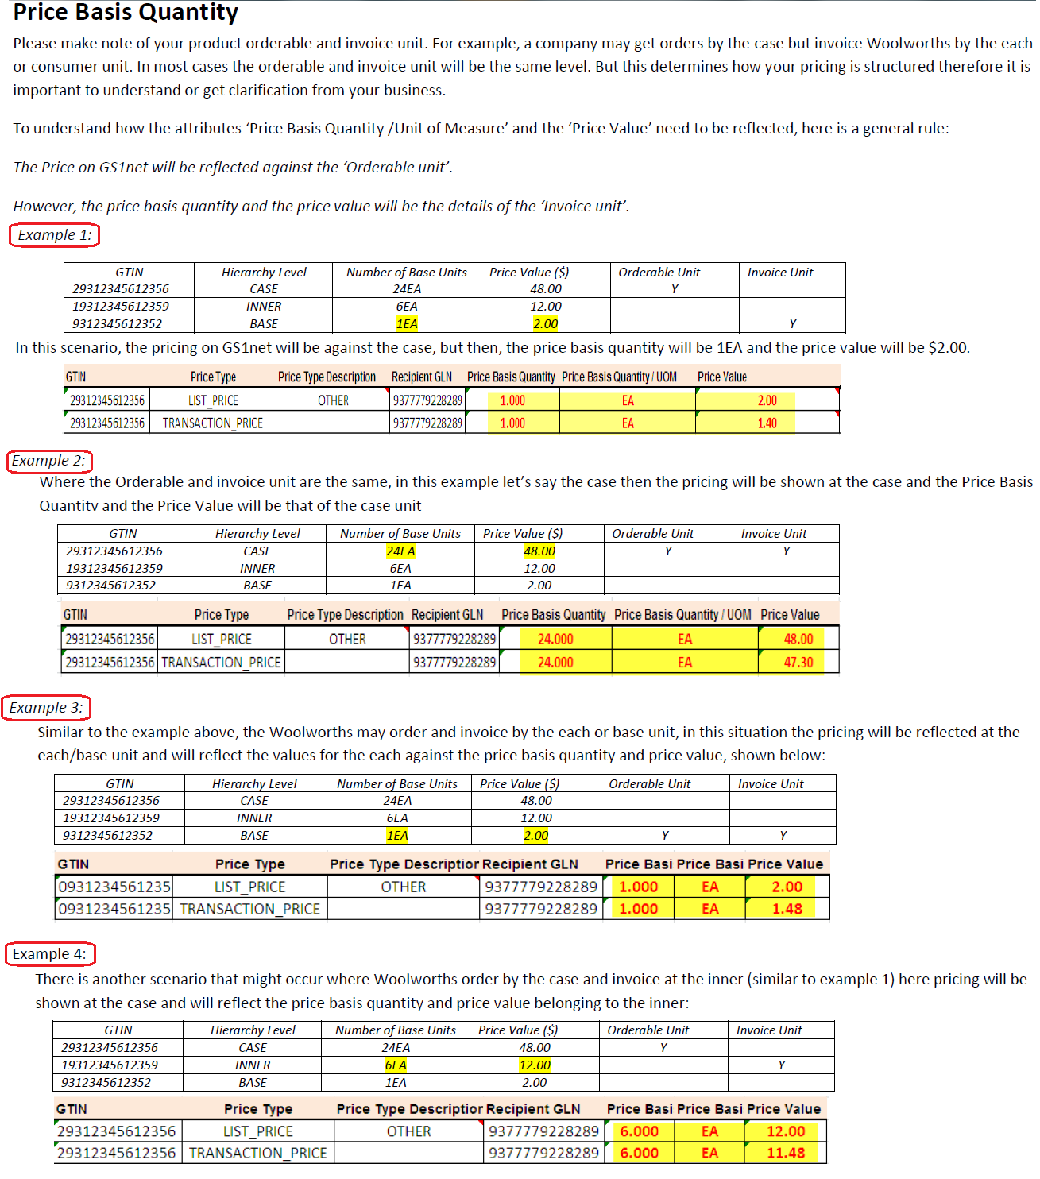
Woolworths New Zealand National Product Catalogue Publisher Business Rules
 |  |  |  | Dangerous or Hazardous Goods
Ref | Associated National Product Catalogue Publisher Attribute | Rule |  | Back | http://www.epa.govt.nz/hazardous-substances/about/what-is-hs/Pages/List-of-classifications.aspx
1 | brandName subBrand functionalName variant netContent/UoM | These fields will be referenced in the creation of the Woolworths specified descriptions for the article by concatenating Brand Name, Sub Brand, Functional Name, Variant, Net Content and Net Content UoM. | BACK | Back | http://www.epa.govt.nz/Publications/ER-UG-03-2.pdf | Note: 400 page Thresholds and Classifications
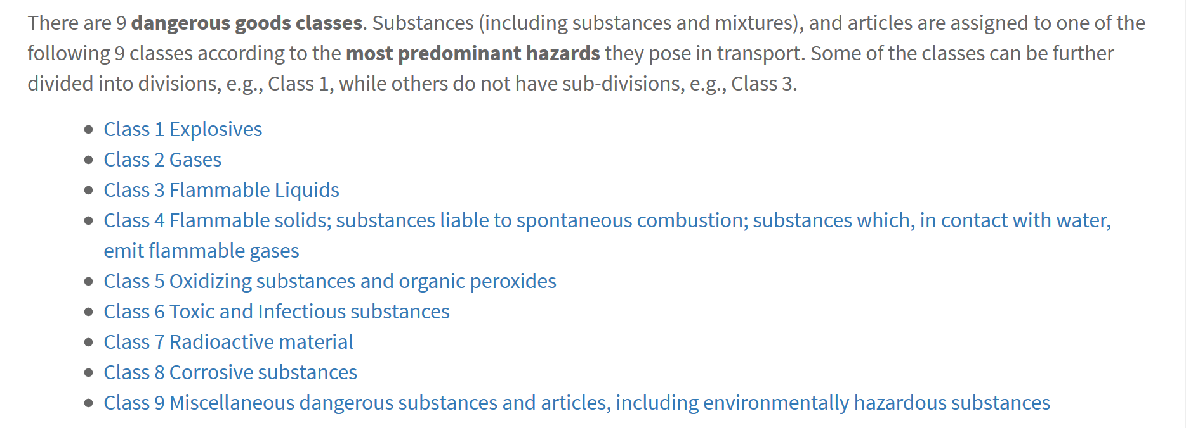
2 | tradeItemCountryOfOrigin | This is a repeatable field, but only the first instance will be mapped by Woolworths; this first instance must be the primary last place of despatch into AU/NZ | BACK
3 | tradeItemCountryOfOriginStatement | Must not be <null> if Ingredient Statement (1 to many) is populated. If populated, required to be one of the following: Imported Made in Australia Made in New Zealand Made in Australia from local and imported ingredients Made in New Zealand from local and imported ingredients Product of Australia Product of New Zealand | BACK
4 | isTradeItemAVariableUnit | Net Weight (average) must be provided Price encoded GTINs would have ‘0’ at the price positions in the number, when loaded to National Product Catalogue Publisher | BACK
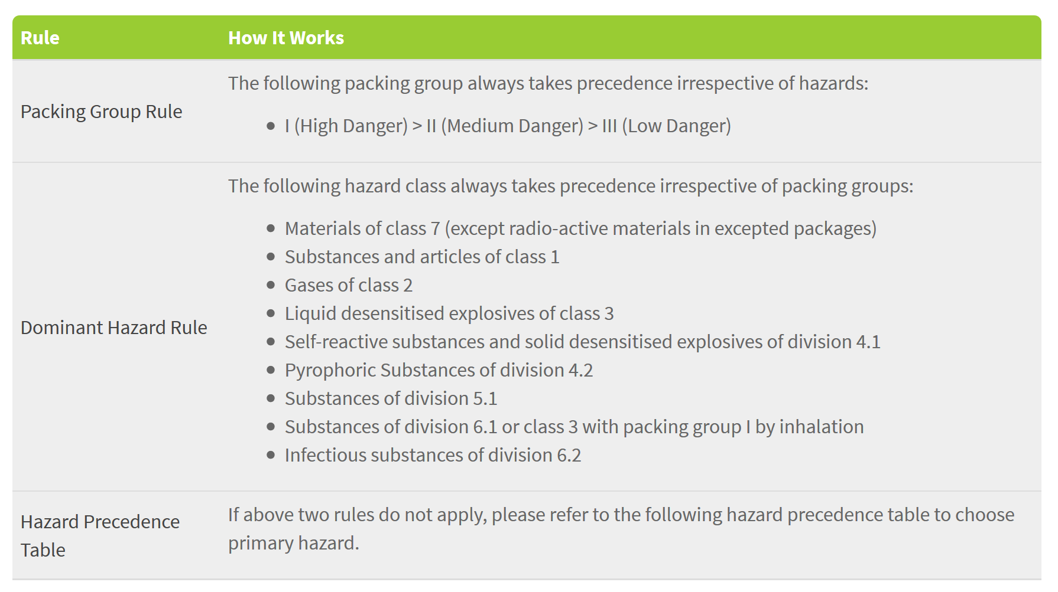
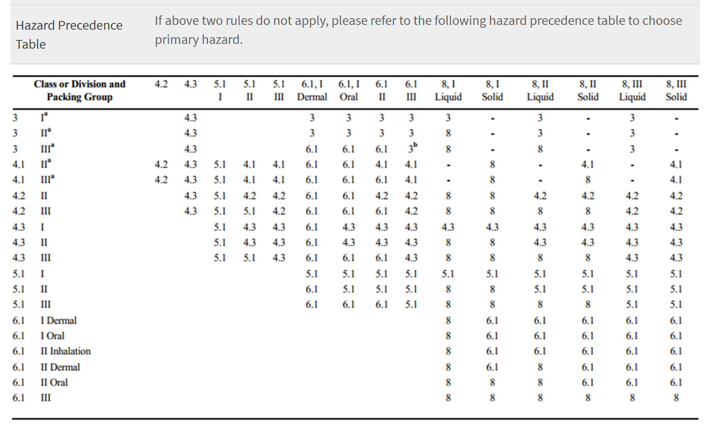
6 | SupplierAssignedID | Repeating Attribute – for Vendor Item Reference, also PLU number and (where applicable) the ‘Woolworths Article Number’ PLU numbers are 4 or 5 numeric only in Australia ‘Woolworths Article Number’ is up to 6 numeric only (for the applicable products) | BACK
7 | hasDisplayReadyPackaging | Must NOT be a CONSUMER unit If populated then attribute ‘Units in Width of Layer’ is conditionally required Can only be indicated on a ‘single’ level in any given hierarchy – this would normally be the INNER_PACK. | BACK
8 | securityTagType | As per code list: CONCEALED_INSIDE_THE_TRADE_ITEM INTEGRATED_INSIDE_OF_TRADE_ITEM LOCATION_UNSPECIFIED ON_OUTSIDE_OF_TRADE_ITEM | BACK
9 | isPriceOnPack | Must be a CONSUMER unit There must be a RETAIL_PRICE associated with this CONSUMER unit Mutually exclusive with isTradeItemAVariableUnit = true | BACK
10 | priceComparisonMeasurement | This attribute is also referred to as ‘Unit Pricing Code’ (by legislation ACCC) or ‘Comparative Pricing’. | BACK
11 | priceComparisonMeasurementUOM | The UOM chosen in most cases will ne related to one of the entries for Net Content UOM (but not always). | BACK
12 | storageHandlingTemperatureMinimum/Maximum | All products that are ‘Distribution Centre’ (DC) will require this information to be added, UNLESS they are ambient (stable at normal room temperatures) (See Range List for Temperature – after this table) | BACK
12a | Contact/Additional Party Details | Catalogue confirmations will be sent to the email addresses specified in your National Product Catalogue Publisher catalogue's 'Admin' section by default (in the "email reports" section). If you require a copy of that confirmation also sent to specific people within your organisation, use the 'Contact Details' and 'Additional Party' fields to specify this. | BACK
13 | handlingInstructionsCode | Required to be completed for ALL DC products at ALL levels of the hierarchy. There will be 2 repeats; one relating to ODOUR and one relating to ETHYLENE. The indications are Neutral, Emits, Absorbs For ODOUR select from 1 of the following 3 codes: ODO_N ODO_E ODO_A For ETHYLENE select from 1 of the following 3 codes: ETH_N ETH_E ETH_A Where Woolworths cannot find values populated for a GTIN which should contain this attribute, Woolworths will assume the default ‘neutral’ values of: ODO_N and ETH_N | BACK
14 | allergenTypeCode | Select from Code List (preferred entries in blue) AC ─ crustaceans and their derivatives AE ─ eggs and their derivatives AF ─ fish and their derivatives in the product AM ─ milk and their derivatives AN ─ nuts and their derivatives AP ─ peanuts and their derivatives in the product AS ─ sesame seeds or their derivatives AU ─ sulphur dioxide and sulphites AW ─ cereals containing gluten and their derivatives. AY ─ soybeans and their derivatives BC ─ celery or their derivatives BM ─ mustard or their derivatives NC ─ cocoa and their derivatives in the product NK ─ coriander and their derivatives in the product NL ─ lupine and their derivatives in the product NM ─ corn and their derivatives NP ─ pod fruits and their derivatives NR ─ rye and their derivatives NW ─ carrot and their derivatives UM ─ molluscs and their derivatives UW ─ wheat and their derivatives | BACK
15 | ingredientStatement | This is a code list with the following values (a supplier can select <null>, 1 or many) ENERGY_FREE ENERGY_REDUCED ENRICHED_OR_FORTIFIED_IN_VITAMINS_AND_OR_MINERALS FAT_FREE HIGH_FIBRE HIGH_PROTEIN HIGH_VITAMINS_AND_OR_MINERALS LIGHT_LITE LOW_ENERGY LOW_FAT LOW_SATURATED_FAT LOW_SODIUM_SALT LOW_SUGARS NATURAL_SOURCE_OF_VITAMINS_AND_OR_MINERALS SATURATED_FAT_FREE SODIUM_FREE_OR_SALT_FREE SOURCE_OF_FIBRE SOURCE_OF_PROTEIN SUGARS_FREE VERY_LOW_SODIUM_SALT WITH_NO_ADDED_SUGARS | BACK
16 | priceTypeCode | Price Types required to be populated are: LIST_PRICE (always),and RETAIL_PRICE (where applicable) – a RETAIL_PRICE can only be entered against a GTIN which is also a CONSUMER Unit (RETAIL_PRICE is the only price which will ever contain GST) ALLOWANCE and CHARGE are also supported (where applicable) but are only ever listed under the LIST_PRICE | BACK
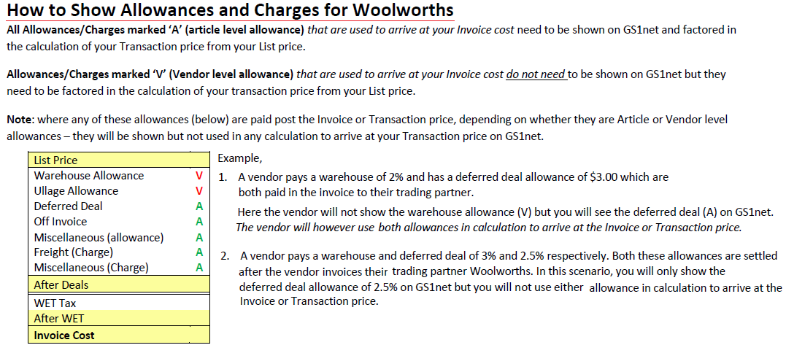
17 | priceTypeDescription | If LIST_PRICE must be one of: RAW_MATERIALS, TRANSPORT, TAX_DUTY, PACKAGING, PRODUCTION_COSTS, OTHER OTHER is to be used for the very first LIST_PRICE to be added to a GTIN; the next LIST_PRICE for this GTIN would then be a choice from the 6 available options IF RETAIL_PRICE must be one of: <null>, POP, RRP If ALLOWANCE must be one of: DEFERRED_DEAL_1, OFF_INVOICE_DEAL_1, MISCELLANEOUS IF CHARGE must be one of: FREIGHT, MISCELLANEOUS | BACK
18 | priceValue | Price ONLY to 2 decimal places Zero Pricing is not valid (0.00) Woolworths will perform a calculation to ensure that the LIST_PRICE and any Item-level ALLOWANCES / CHARGES, and Vendor-level TERMS (as stored by Woolworths) do actually result in the entered TRANSACTION_PRICE | BACK
19 | priceTypeEffectiveStartDate | Must be less than or equal to 270 days beyond today’s date; e.g. if it is June 1st 2010 today, then a price cannot be loaded which has a start date later than 26th February 2011 Prices do not need to Start on a specific day of the week Any TIME component to a Price Start Date will not be mapped | BACK
20 | alternateLocationGrouping | Will be allocated directly to DSD suppliers by Woolworths, where there is a specific ‘price zone’ defined between the trading partners Up to 7 characters are available for the ALG, but examples include: FNQ – Far North Queensland LNI – Lower North Island (NZ) SI – South Island Alternate Location Grouping is mutually exclusive with State-based Pricing Alternate Location Grouping is mutually exclusive with DC pricing An Alternate Location Group is ALWAYS an EXCEPTION PRICE | BACK
21 | referenceDocumentDescription | If Reference Document ID = EXCEPTION, then Reference Document Description = EXCEPTION_PRICE An Alternate Location Group is ALWAYS an EXCEPTION PRICE | BACK
22 | referenceDocumentIdentifier | Populate this field with the value ‘EXCEPTION’ where the price contains 1 or more States for which pricing differs from the provided National Price for the same GTIN. The Exception price will have the same values for all price attributes as the National price apart from: Price ID, Price Value, Ref Doc ID and Ref Doc Description. A State cannot appear in more than one Exception price for the GTIN | BACK
23 | priceBasisQuantity/UoM | See graphic below detailing how Price Basis Quantity is to be managed for WOW/PEL | BACK

